DataModel
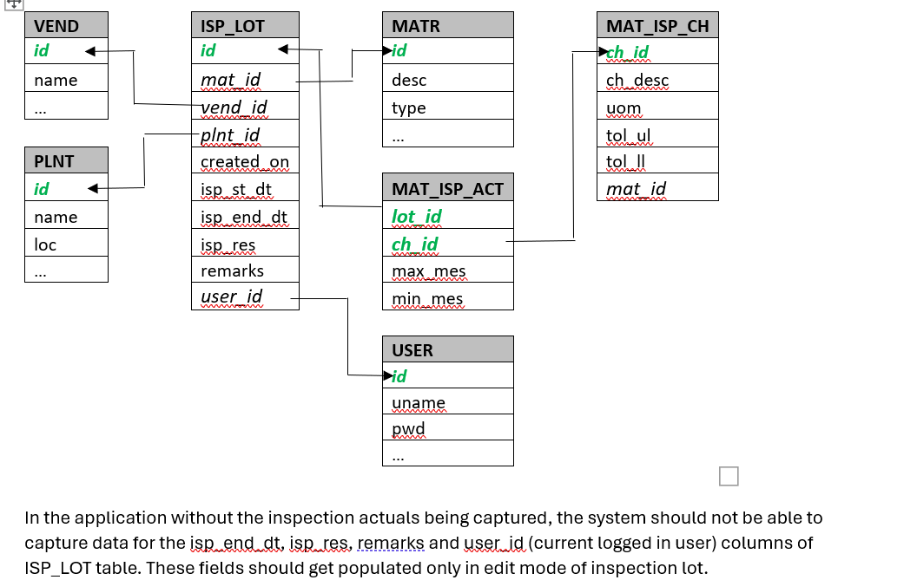
VEND | ISP_LOT | MATR | MAT_ISP_CH
id | id | id | ch_id | 1 | VEND | Vendor Master
name | mat_id | desc | ch_desc | 2 | PLNT | Plant Master
… | vend_id | type | uom | 3 | MATR | Material Master
 | plnt_id | … | tol_ul | 4 | MAT_ISP_CH | Material Inspection Characteristics Master
PLNT | created_on |  | tol_ll | 5 | USER | User Master
id | isp_st_dt | MAT_ISP_ACT | mat_id | 6 | ISP_LOT | ISP_LOT (Transaction)
name | isp_end_dt | lot_id |  | 7 | MAT_ISP_ACT | Material Inspection Actuals/Measures (Transaction)
loc | isp_res | ch_id
… | remarks | max_mes |  |  | 2 Search functionality will be required one for Inspection Lot and the other for Inspection Actuals data
 | user_id | min_mes

 |  | USER |  |  | For all the entities create and edit by primary key value will be required, except for USER entity which will be populated from backend.
 |  | id
 |  | uname
 |  | pwd
 |  | …

SampleData

VEND | 1 | Vendor |  | PLNT | 2 | Plant |  |  | MATR | 3 | Material
id | name | … |  | id | name | loc | … |  | id | desc | type
5001 | X Ltd. |  |  | HYD-MDCL | Medchal Tubes & Alloys | HYDERABAD |  |  | M-01 | Graphite gasket-232 | Raw Material
5002 | J Ltd. |  |  | HYD-ISNR | Isnapur Alloys | HYDERABAD |  |  | M-02 | Graphite gasket-647 | Raw Material
 |  |  |  | PUN-CHKN | Chakan Alloys | PUNE |  |  | M-03 | Graphite gasket-984 | Raw Material
 |  |  |  | PUN-VMNG | Viman Nagar Plant | PUNE |  |  | M-04 | Copper Tube - 1A | Raw Material
 |  |  |  | BID-BSVK | Basava Kalyan Plant | BIDAR |  |  | M-05 | Copper Tube - 1B | Raw Material
 |  |  |  |  |  |  |  |  | M-05 | Cast Iron Tube - 1A | Semi-Finished Good
 |  |  |  |  |  |  |  |  | M-06 | Cast Iron Tube - 1B | Semi-Finished Good

ISP_LOT | 6 | Inspection Lot |  |  |  |  |  |  |  |  | USER | 5 | Users
lot_id | mat_id | vend_id | plant_id | create_on | isp_st_dt | isp_end_dt | result | remarks | user_id |  | id | uname | pwd
4801 | M-02 | 5002 | HYD-ISNR | XXXX | XXXX | XXXX | PASS | blah | 1081 |  | 1081 | abc | abc@123
4802 | M-04 | 5001 | PUN-CHKN | XXXX | XXXX | XXXX | FAIL | blah | 1082 |  | 1082 | pqr | pqr@123
4803 | M-02 | 5001 | HYD-MDCL | … | … | … | … | … | …
 |  |  |  |  |  |  |  |  |  | MAT_ISP_CH | 4 - Mat Inspection characteristics
ISP_ACT | 7 | Inspection Actuals |  |  | While displaying the inspection actuals in the web page, the measures that deviate from the tolerance limits must be displayed in red foreground colour. |  |  |  | ch_id | ch_desc | mat_id | tol_ul | tol_ll | uom
lot_id | ch_id | max_mes | min_mes |  |  |  |  |  | 101 | Outer Diameter | M-01 | 280 | 278 | MM
4801 | 104 | 634 | 633 |  |  |  |  |  | 102 | Inner Diameter | M-01 | 273 | 272 | MM
4801 | 105 | 628 | 626 |  |  |  |  |  | 103 | Thickness | M-01 | 3 | 2 | MM
4801 | 106 | 4 | 4 |  |  |  |  |  | 104 | Outer Diameter | M-02 | 635 | 631 | MM
4802 | 107 | 12 | 11.4 |  |  |  |  |  | 105 | Inner Diameter | M-02 | 628 | 626 | MM
4802 | 108 | 10 | 9.9 |  |  |  |  |  | 106 | Thickness | M-02 | 5 | 4 | MM
4802 | 109 | 16 | 13 |  |  |  |  |  | 107 | Outer Diameter | M-04 | 12 | 11.5 | CM
4802 | 110 | 500 | 498 |  |  |  |  |  | 108 | Inner Diameter | M-04 | 10 | 9.8 | CM
4802 | 111 | 1.25 | 1.23 |  |  |  |  |  | 109 | Thickness | M-04 | 15 | 12 | MM
 |  |  |  |  |  |  |  |  | 110 | Length | M-04 | 500 | 495 | CM
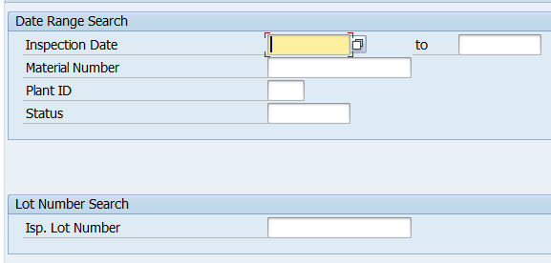
 |  |  |  |  |  |  |  |  | 111 | Weight | M-04 | 1.28 | 1.23 | KG
 |  |  |  |  |  | We can also add Vendor_Id as a search input field. Insp Date range should not be greater than 90 days period.

 |  |  |  |  |  |  |  |  | MAT_ISP_CH
 |  |  |  |  |  |  |  |  | ch_id | Characteristic ID
 |  |  |  |  |  |  |  |  | ch_desc | Characteristic Description
 |  |  |  |  |  |  |  |  | tol_ul | Tolerance Upper Limit
 |  |  |  |  |  |  |  |  | tol_ll | Tolerance Lower Limit
 |  |  |  |  |  |  |  |  | uom | Unit of Measurement

 |  |  |  |  |  |  |  |  | ISP_LOT
 |  |  |  |  |  |  |  |  | max_mes | Maximum value of measure observed during multiple measurements made
 |  |  |  |  |  |  |  |  | min_mes | Minimum value of measure observed during multiple measurements made

